Assumptions
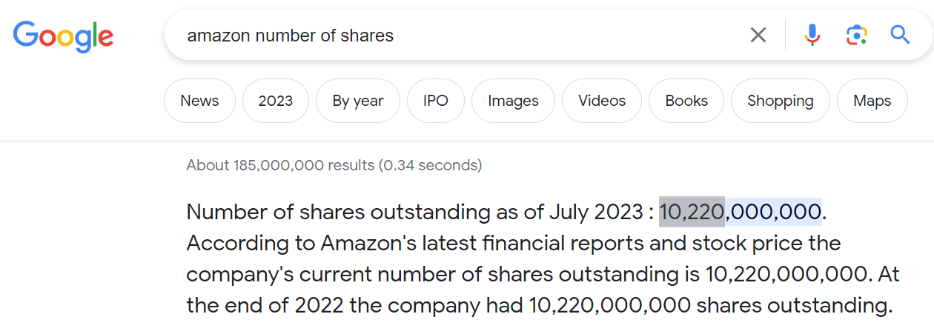
 |  |  |  |  |  | Growth rate |  |  |  | Average
 | Dec. 31, 2018 | Dec. 31, 2019 | Dec. 31, 2020 | Dec. 31, 2021 | Dec. 31, 2022 | 2019 | 2020 | 2021 | 2022
Net sales | $ 232,887 | $ 280,522 | $ 386,064 | $ 469,822 | $ 513,983 | 20% | 38% | 22% | 9% | 22%
Cost of sales | $ 139,156 | $ 165,536 | $ 233,307 | $ 272,344 | $ 288,831 | 19% | 41% | 17% | 6% | 21%
Total operating expenses | $ 220,466 | $ 265,981 | $ 363,165 | $ 444,943 | $ 501,735 | 21% | 37% | 23% | 13% | 23%
Operating income | $ 12,421 | $ 14,541 | $ 22,899 | $ 24,879 | $ 12,248 | 17% | 57% | 9% | -51% | 8%

Depreciation and amortization | $ 15,341 | $ 21,789 | $ 25,180 | $ 34,433 | $ 41,921 | 42% | 16% | 37% | 22% | 29%

Parameters
Required Investment | 5%
Tax rate | 21%
Long term growth rate | 5%
Wacc | 13.55%
No. of shares | 10,220 | millions | 2023-07-07

Stock Price | 107.45

Projected Financials

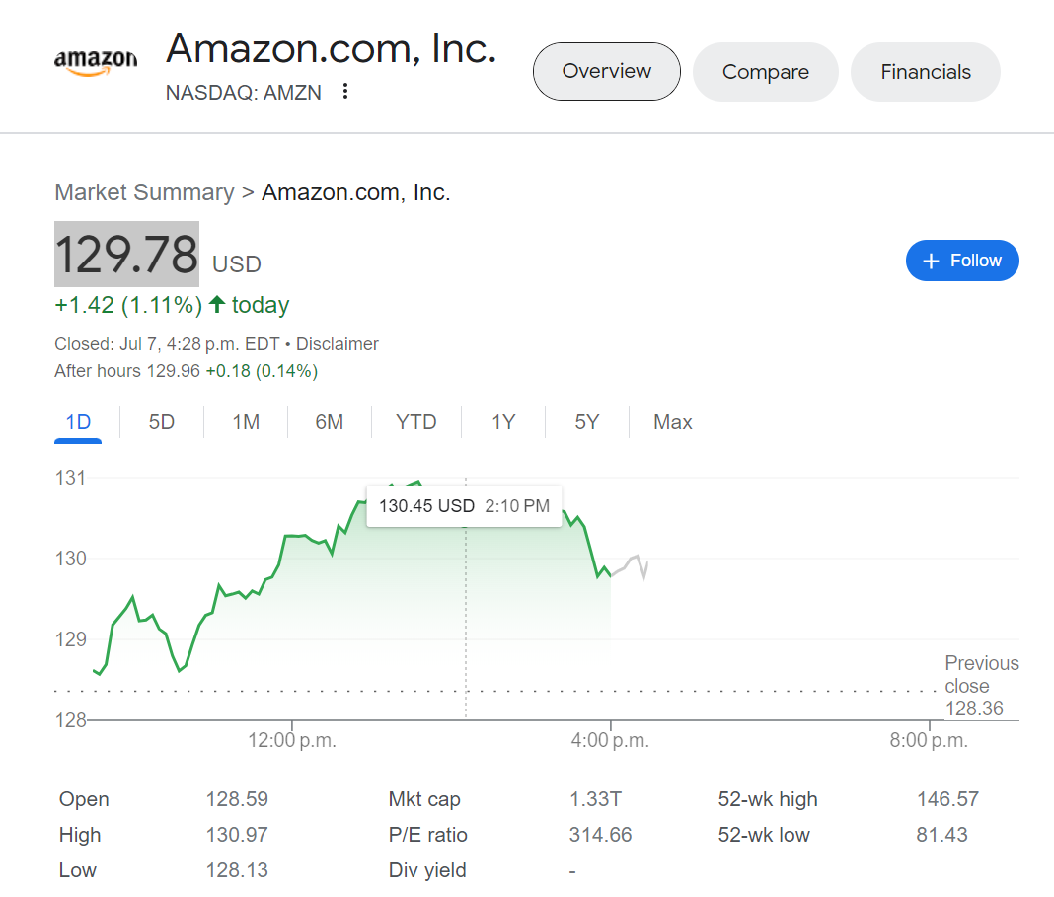
 |  |  |  |  |  |  | 1 | 2 | 3 | 4 | 5
 | CONSOLIDATED STATEMENTS OF OPERATIONS - USD ($) shares in Millions, $ in Millions | 12 Months Ended |  |  |  |  | Predictions
 |  | Dec. 31, 2018 | Dec. 31, 2019 | Dec. 31, 2020 | Dec. 31, 2021 | Dec. 31, 2022 | 2023 | 2024 | 2025 | 2026 | 2027 | Amazon Future Cash Flow
 | Net sales | $232,887 | $280,522 | $386,064 | $469,822 | $513,983 | $628,566 | $768,693 | $940,058 | $1,149,626 | $1,405,914 | Years | 2023 | 2024 | 2025 | 2026 | 2027
 | Cost of sales | $139,156 | $165,536 | $233,307 | $272,344 | $288,831 | $348,535 | $420,580 | $507,517 | $612,425 | $739,018 | FCF | 36,809 | 51,417 | 70,867 | 96,645 | 130,675
 | Gross margin | $93,731 | $114,986 | $152,757 | $197,478 | $225,152 | $280,031 | $348,113 | $432,541 | $537,202 | $666,896 | Horizon value |  |  |  | 1,071,108
 |  |  |  |  |  |  |  |  |  |  |  | Present value | 32,417 | 39,878 | 48,404 | 977,479
 |  |  |  |  |  |  |  |  |  |  |  | Total PV | 1,098,178
 | Fulfillment | $34,027 | $40,232 | $58,517 | $75,111 | $84,299 |  |  |  |  |  | Share price | 107.45
 | Technology and content | $28,837 | $35,931 | $42,740 | $56,052 | $73,213 |  |  |  |  |  | Market price | 129.78
 | Sales and marketing | $13,814 | $18,878 | $22,008 | $32,551 | $42,238 |  |  |  |  |  | Difference | (22.33)
Consolidated Statements of Operations
 | General and administrative | $4,336 | $5,203 | $6,668 | $8,823 | $11,891
 | Other operating expense (income), net | $296 | $201 | -$75 | $62 | $1,263
 | Total operating expenses | $81,310 | $100,445 | $129,858 | $172,599 | $212,904 | $262,119 | $322,711 | $397,310 | $489,153 | $602,227
EBIT | Operating income | $12,421 | $14,541 | $22,899 | $24,879 | $12,248 | $17,912 | $25,402 | $35,231 | $48,048 | $64,669

 | Depreciation | $ 15,341 | $ 21,789 | $ 25,180 | $ 34,433 | $ 41,921 | 54,087 | 69,785 | 90,037 | 116,168 | 149,882
 | Required Investment |  |  |  |  |  | 31,428 | 38,435 | 47,003 | 57,481 | 70,296
 |  |  |  |  |  | FCF | 36,809 | 51,417 | 70,867 | 96,645 | 130,675
 |  |  |  |  |  | Horizon value |  |  |  | 1,528,365
 |  |  |  |  |  | Present value | 32,417 | 39,878 | 48,404 | 977,479
 |  |  |  |  |  | Total PV | 1,098,178
 |  |  |  |  |  | Share price | 107.45
 |  |  |  |  |  | Market price | 129.78
 |  |  |  |  |  | Difference | -22.33

Financial Ratios
Financial Ratios

1) Liquidity Ratio : It measures the ability of a company to pay its short term Financial obligations as they become due.

 | a) Current Ratio = Current Assets / Current Liabilities
 |  | Current Assets | 462,675
 |  | Current Liabilities | 155,393
 |  | Current Ratio | 2.98

 | b) Quick Ratio / Acid-test Ratio = (Current Assets – inventory)/ Current Liabilities: More stricter than current ratio as we subtract inventory from current assets because inventory is not as liquid as other current assets
 |  | Current Assets | 462,675
 |  | Inventory | 34,405
 |  | Current Liabilities | 155,393
 |  | Quick Ratio | 2.76

 | c) Cash ratio = Cash + Cash equivalents + Marketable securities / Current Liabilities : Most strict as it considers a company’s most liquid assets – cash, Cash equivalents, and marketable securities only
 |  | Cash and Cash equivalents | 53,888
 |  | Marketable securities | 16,138
 |  | Current Liabilities | 155,393
 |  | Cash Ratio | 0.45

2) Profitability Ratio: It measures profitability, which is a way to measure a company's performance

 | a) Gross Profit Margin = Gross Profit/Net Sales
 |  | Net Sales | 513,983
 |  | Gross Profit | 67,640
 |  | GPM | 13.16%

 | b) Operating Profit Margin or Return on Sales = Operating Earnings / Net Sales
 |  | Net Sales | 513,983
 |  | Operating profit | 12,248
 |  | Operating profit margin | 2.38%

 | c) Return on Assets = Net Income / Total Assets
 |  | Net Income | (2,722)
 |  | Total Assets | 462,675
 |  | ROA | -0.59%

 | d) Return on equity = Net income /shareholder’s equity
 |  | Net Income | (2,722)
 |  | Shareholder’s equity | 62,060
 |  | ROE | -4.39%

3) Solvency Ratio : It measures company's ability to meet its long-term debt obligations

 | a) Solvency Ratio = (Net Income + Depreciation) / All Liabilities (Short-term + Long-term Liabilities)
 |  | Net Income | (2,722)
 |  | Depreciation | 41,921
 |  | Total Liabilities | 155,393
 |  | Solvency Ratio | 25.23%

 | b) Debt to Equity Ratio = Total Debt (total Liabilities)/ Shareholders’ Equity
 |  | Total Debt | 155,393
 |  | Shareholder’s equity | 146,043
 |  | Debt to Equity | 106.40%

4) Turn Over Ratio: It measures the amount of assets or liabilities that a company replaces in relation to its sales

 | a) Inventory Turnover Ratio = Costs of Goods sold/Average Inventory
 |  | COGS | 446,343
 |  | Inventory Beginning of 2022 | 32,640
 |  | Inventory End of 2022 | 34,405
 |  | Inventory Turnover Ratio | 13.3

 | b) Accounts Receivable Turnover Ratio = Net Credit Sales / Average Accounts Receivables (Assuming 100 million in Cash Sales)
 |  | Net Credit Sales (Net Sales - Minus Cash Sales) | 513,883
 |  | AR Beginning of 2022 | 32,891
 |  | AR End of 2022 | 42,360
 |  | Accounts Receivable Turnover Ratio | 13.7

 | c) Payable turnover ratio = Net credit purchases/average accounts payable (Assuming 200 B in Credit purchases)
 |  | Net Credit Purchases (Net Purchases - Minus Cash Purchases) | 200,000
 |  | AP Beginning of 2022 | 78,664
 |  | AP End of 2022 | 79,600
 |  | Payable turnover ratio | 2.5

5) Earning Ratio: the expectations of the market and is the price you must pay per unit of current earnings (or future earnings, as the case may be).

 | a) P/E Ratio = Market value per share/Earnings per share (EPS)
 |  | Stock Price | 129.78
 |  | EPS | 0.27
 |  | PE Ratio | 480.7

CAPM
To calculate Beta - y = a + bx
y = dependent variable – AMZN stock return
x = independent variable – S&P 500 market return
a = constant or intercept
b = Beta coefficient or slope
Get the slope
=SLOPE(known_y's, known_x's)
known_y's = AMZN stock return
known_x's = S&P 500 market return
Date2 | S&P 500 | Rmarket | Date | AMZN | RAMZN
2013-08-01 | 1,632.97 |  | 2013-08-01 | 14.049 |  | B | 1.3256087295
2013-09-01 | 1,681.55 | 1.0297494749 | 2013-09-01 | 15.632 | 1.1126770589
2013-10-01 | 1,756.54 | 1.0445957599 | 2013-10-01 | 18.2015 | 1.1643743603 | Rm | 1.0083622102
2013-11-01 | 1,805.81 | 1.0280494609 | 2013-11-01 | 19.681 | 1.0812845095
2013-12-01 | 1,848.36 | 1.0235628333 | 2013-12-01 | 19.9395 | 1.0131344952 | Rm | 0.84%
2014-01-01 | 1,782.59 | 0.96441710489 | 2014-01-01 | 17.9345 | 0.89944582362
2014-02-01 | 1,859.45 | 1.0431170376 | 2014-02-01 | 18.105 | 1.0095068165 | Market Return (CAGR) | 1.0083622102
2014-03-01 | 1,872.34 | 1.0069321574 | 2014-03-01 | 16.8185 | 0.92894228114 | Percentage Return Monthly | 0.84%
2014-04-01 | 1,883.95 | 1.0062007969 | 2014-04-01 | 15.2065 | 0.90415316467 | S&P Return | 10.51%
2014-05-01 | 1,923.57 | 1.0210302821 | 2014-05-01 | 15.6275 | 1.0276855292
2014-06-01 | 1,960.23 | 1.0190583134 | 2014-06-01 | 16.239 | 1.0391297392
2014-07-01 | 1,930.67 | 0.98492013692 | 2014-07-01 | 15.6495 | 0.9636985036 |  | 10.51%
2014-08-01 | 2,003.37 | 1.0376553217 | 2014-08-01 | 16.952 | 1.0832294962
2014-09-01 | 1,972.29 | 0.98448614085 | 2014-09-01 | 16.122 | 0.95103822558 | Ra = Rf + B(Rm - Rf) | -0.21%
2014-10-01 | 2,018.05 | 1.0232014562 | 2014-10-01 | 15.273 | 0.94733903982
2014-11-01 | 2,067.56 | 1.0245335844 | 2014-11-01 | 16.932 | 1.1086230603 | Rf | 4.05%
2014-12-01 | 2,058.90 | 0.99581148794 | 2014-12-01 | 15.5175 | 0.91645995748
2015-01-01 | 1,994.99 | 0.96895915295 | 2015-01-01 | 17.7265 | 1.1423554052
2015-02-01 | 2,104.50 | 1.0548925057 | 2015-02-01 | 19.008 | 1.0722928948
2015-03-01 | 2,067.89 | 0.98260394393 | 2015-03-01 | 18.605 | 0.97879840067
2015-04-01 | 2,085.51 | 1.0085207627 | 2015-04-01 | 21.089 | 1.1335124966
2015-05-01 | 2,107.39 | 1.0104914385 | 2015-05-01 | 21.4615 | 1.0176632368
2015-06-01 | 2,063.11 | 0.97898822714 | 2015-06-01 | 21.7045 | 1.0113226009
2015-07-01 | 2,103.84 | 1.0197420399 | 2015-07-01 | 26.8075 | 1.2351125343
2015-08-01 | 1,972.18 | 0.93741919538 | 2015-08-01 | 25.6445 | 0.95661661848
2015-09-01 | 1,920.03 | 0.97355718038 | 2015-09-01 | 25.5945 | 0.99805026419
2015-10-01 | 2,079.36 | 1.0829830784 | 2015-10-01 | 31.295 | 1.222723632
2015-11-01 | 2,080.41 | 1.0005049631 | 2015-11-01 | 33.24 | 1.0621505033
2015-12-01 | 2,043.94 | 0.98246980163 | 2015-12-01 | 33.7945 | 1.0166817088
2016-01-01 | 1,940.24 | 0.94926465552 | 2016-01-01 | 29.35 | 0.86848451671
2016-02-01 | 1,932.23 | 0.99587164474 | 2016-02-01 | 27.626 | 0.94126064736
2016-03-01 | 2,059.74 | 1.0659911087 | 2016-03-01 | 29.682 | 1.0744226453
2016-04-01 | 2,065.30 | 1.0026993698 | 2016-04-01 | 32.9795 | 1.1110942659
2016-05-01 | 2,096.95 | 1.0153246502 | 2016-05-01 | 36.1395 | 1.0958170985
2016-06-01 | 2,098.86 | 1.0009108467 | 2016-06-01 | 35.781 | 0.99008010625
2016-07-01 | 2,173.60 | 1.0356098072 | 2016-07-01 | 37.9405 | 1.0603532601
2016-08-01 | 2,170.95 | 0.99878082444 | 2016-08-01 | 38.458 | 1.0136397781
2016-09-01 | 2,168.27 | 0.9987655174 | 2016-09-01 | 41.8655 | 1.0886031515
2016-10-01 | 2,126.15 | 0.98057437496 | 2016-10-01 | 39.491 | 0.94328265517
2016-11-01 | 2,198.81 | 1.0341744468 | 2016-11-01 | 37.5285 | 0.95030513282
2016-12-01 | 2,238.83 | 1.018200754 | 2016-12-01 | 37.4935 | 0.99906737546
2017-01-01 | 2,278.87 | 1.0178843414 | 2017-01-01 | 41.174 | 1.0981636817
2017-02-01 | 2,363.64 | 1.0371982605 | 2017-02-01 | 42.252 | 1.0261815709
2017-03-01 | 2,362.72 | 0.99961076983 | 2017-03-01 | 44.327 | 1.0491101013
2017-04-01 | 2,384.20 | 1.0090912169 | 2017-04-01 | 46.2495 | 1.0433708575
2017-05-01 | 2,411.80 | 1.01157621 | 2017-05-01 | 49.731 | 1.0752764895
2017-06-01 | 2,423.41 | 1.004813832 | 2017-06-01 | 48.4 | 0.97323600973
2017-07-01 | 2,470.30 | 1.0193487689 | 2017-07-01 | 49.389 | 1.0204338843
2017-08-01 | 2,471.65 | 1.0005464923 | 2017-08-01 | 49.03 | 0.99273117496
2017-09-01 | 2,519.36 | 1.0193028948 | 2017-09-01 | 48.0675 | 0.98036916174
2017-10-01 | 2,575.26 | 1.0221881748 | 2017-10-01 | 55.264 | 1.1497165444
2017-11-01 | 2,647.58 | 1.0280826014 | 2017-11-01 | 58.8375 | 1.064662348
2017-12-01 | 2,673.61 | 1.0098316198 | 2017-12-01 | 58.4735 | 0.9938134693
2018-01-01 | 2,823.81 | 1.0561787246 | 2018-01-01 | 72.5445 | 1.2406389219
2018-02-01 | 2,713.83 | 0.9610526204 | 2018-02-01 | 75.6225 | 1.0424291297
2018-03-01 | 2,640.87 | 0.97311548623 | 2018-03-01 | 72.367 | 0.956950643
2018-04-01 | 2,648.05 | 1.002718801 | 2018-04-01 | 78.3065 | 1.0820747026
2018-05-01 | 2,705.27 | 1.0216083533 | 2018-05-01 | 81.481 | 1.0405394188
2018-06-01 | 2,718.37 | 1.0048424002 | 2018-06-01 | 84.99 | 1.0430652545
2018-07-01 | 2,816.29 | 1.0360215865 | 2018-07-01 | 88.872 | 1.0456759619
2018-08-01 | 2,901.52 | 1.0302632186 | 2018-08-01 | 100.6355 | 1.1323645243
2018-09-01 | 2,913.98 | 1.0042943009 | 2018-09-01 | 100.15 | 0.99517565869
2018-10-01 | 2,711.74 | 0.93059664102 | 2018-10-01 | 79.9005 | 0.79780828757
2018-11-01 | 2,760.17 | 1.0178593818 | 2018-11-01 | 84.5085 | 1.0576717292
2018-12-01 | 2,506.85 | 0.90822304423 | 2018-12-01 | 75.0985 | 0.88865025412
2019-01-01 | 2,704.10 | 1.0786844047 | 2019-01-01 | 85.9365 | 1.1443171302
2019-02-01 | 2,784.49 | 1.0297289301 | 2019-02-01 | 81.9915 | 0.95409401128
2019-03-01 | 2,834.40 | 1.0179242878 | 2019-03-01 | 89.0375 | 1.0859357372
2019-04-01 | 2,945.83 | 1.0393134349 | 2019-04-01 | 96.326 | 1.0818587674
2019-05-01 | 2,752.06 | 0.93422227352 | 2019-05-01 | 88.7535 | 0.92138674916
2019-06-01 | 2,941.76 | 1.0689301832 | 2019-06-01 | 94.6815 | 1.0667917322
2019-07-01 | 2,980.38 | 1.0131281954 | 2019-07-01 | 93.339 | 0.9858208837
2019-08-01 | 2,926.46 | 0.98190834726 | 2019-08-01 | 88.8145 | 0.95152615734
2019-09-01 | 2,976.74 | 1.0171811677 | 2019-09-01 | 86.7955 | 0.97726722551
2019-10-01 | 3,037.56 | 1.0204317475 | 2019-10-01 | 88.833 | 1.0234747193
2019-11-01 | 3,140.98 | 1.0340470641 | 2019-11-01 | 90.04 | 1.013587293
2019-12-01 | 3,230.78 | 1.0285898032 | 2019-12-01 | 92.392 | 1.0261217237
2020-01-01 | 3,225.52 | 0.99837191019 | 2020-01-01 | 100.436 | 1.087063815
2020-02-01 | 2,954.22 | 0.91588953099 | 2020-02-01 | 94.1875 | 0.93778625194
2020-03-01 | 2,584.59 | 0.87488067916 | 2020-03-01 | 97.486 | 1.0350205707
2020-04-01 | 2,912.43 | 1.1268441029 | 2020-04-01 | 123.7 | 1.2689001498
2020-05-01 | 3,044.31 | 1.045281775 | 2020-05-01 | 122.1185 | 0.98721503638
2020-06-01 | 3,100.29 | 1.0183884033 | 2020-06-01 | 137.941 | 1.1295667733
2020-07-01 | 3,271.12 | 1.055101297 | 2020-07-01 | 158.234 | 1.147113621
2020-08-01 | 3,500.31 | 1.0700646873 | 2020-08-01 | 172.548 | 1.0904609629
2020-09-01 | 3,363.00 | 0.9607720459 | 2020-09-01 | 157.4365 | 0.91242147113
2020-10-01 | 3,269.96 | 0.97233422539 | 2020-10-01 | 151.8075 | 0.96424590232
2020-11-01 | 3,621.63 | 1.1075456581 | 2020-11-01 | 158.402 | 1.0434398827
2020-12-01 | 3,756.07 | 1.0371214067 | 2020-12-01 | 162.8465 | 1.0280583578
2021-01-01 | 3,714.24 | 0.98886335984 | 2021-01-01 | 160.31 | 0.98442398209
2021-02-01 | 3,811.15 | 1.026091475 | 2021-02-01 | 154.6465 | 0.96467157383
2021-03-01 | 3,972.89 | 1.042438634 | 2021-03-01 | 154.704 | 1.0003718157
2021-04-01 | 4,181.17 | 1.0524253126 | 2021-04-01 | 173.371 | 1.1206626849
2021-05-01 | 4,204.11 | 1.0054865026 | 2021-05-01 | 161.1535 | 0.92952973681
2021-06-01 | 4,297.50 | 1.0222139763 | 2021-06-01 | 172.008 | 1.0673550373
2021-07-01 | 4,395.26 | 1.0227481094 | 2021-07-01 | 166.3795 | 0.96727768476
2021-08-01 | 4,522.68 | 1.0289903214 | 2021-08-01 | 173.5395 | 1.0430341478
2021-09-01 | 4,307.54 | 0.95243085958 | 2021-09-01 | 164.252 | 0.94648192486
2021-10-01 | 4,605.38 | 1.0691438733 | 2021-10-01 | 168.6215 | 1.0266024158
2021-11-01 | 4,567.00 | 0.99166626858 | 2021-11-01 | 175.3535 | 1.0399237345
2021-12-01 | 4,766.18 | 1.043612875 | 2021-12-01 | 166.717 | 0.95074806035
2022-01-01 | 4,515.55 | 0.94741491089 | 2022-01-01 | 149.5735 | 0.89717005464
2022-02-01 | 4,373.94 | 0.96863947913 | 2022-02-01 | 153.563 | 1.0266725055
2022-03-01 | 4,530.41 | 1.0357732388 | 2022-03-01 | 162.9975 | 1.0614373254
2022-04-01 | 4,131.93 | 0.91204328085 | 2022-04-01 | 124.2815 | 0.76247488458
2022-05-01 | 4,132.15 | 1.0000532439 | 2022-05-01 | 120.2095 | 0.96723567063
2022-06-01 | 3,785.38 | 0.91608000678 | 2022-06-01 | 106.21 | 0.88354081832
2022-07-01 | 4,130.29 | 1.0911163476 | 2022-07-01 | 134.95 | 1.2705959891
2022-08-01 | 3,955.00 | 0.95755988078 | 2022-08-01 | 126.77 | 0.93938495739
2022-09-01 | 3,585.62 | 0.90660429836 | 2022-09-01 | 113 | 0.8913780863
2022-10-01 | 3,871.98 | 1.0798634546 | 2022-10-01 | 102.44 | 0.90654867257
2022-11-01 | 4,080.11 | 1.0537528603 | 2022-11-01 | 96.54 | 0.94240531043
2022-12-01 | 3,839.50 | 0.9410285507 | 2022-12-01 | 84 | 0.87010565569
2023-01-01 | 4,076.60 | 1.0617528324 | 2023-01-01 | 103.13 | 1.2277380952
2023-02-01 | 3,970.15 | 0.97388755335 | 2023-02-01 | 94.23 | 0.91370115388
2023-03-01 | 4,109.31 | 1.0350515724 | 2023-03-01 | 103.29 | 1.0961477237
2023-04-01 | 4,169.48 | 1.0146423609 | 2023-04-01 | 105.45 | 1.0209119954
2023-05-01 | 4,179.83 | 1.0024823239 | 2023-05-01 | 120.58 | 1.1434803224
2023-06-01 | 4,450.38 | 1.0647275128 | 2023-06-01 | 130.36 | 1.0811079781
2023-07-01 | 4,398.95 | 0.98844368346 | 2023-07-01 | 129.78 | 0.99555078245

